Table 1
Table 1
IRP Preferred Portfolio
Excerpt from 2013 IRP Table 8.7

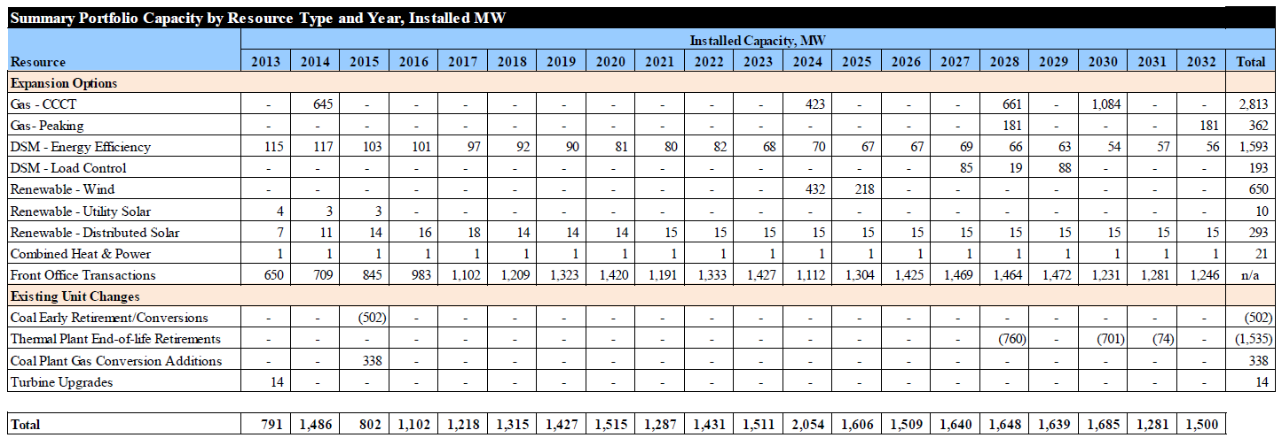

The 2013 IRP was prepared using a 13% planning reserve margin. See 2013 IRP, page 162.

