Form 1
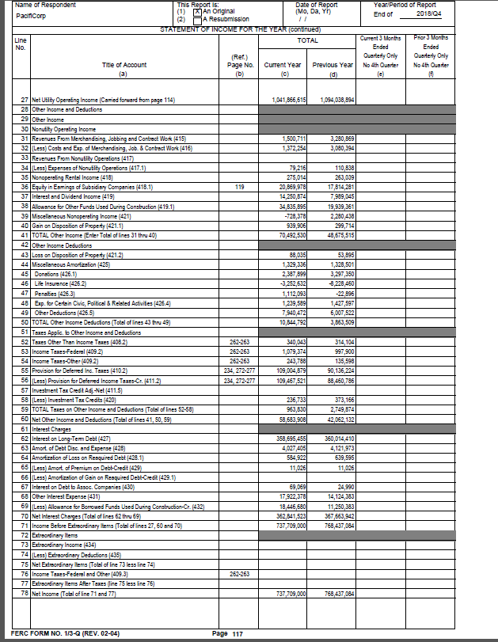
2018

PacifiCorp YTD
GAAP Income Statement 10Q/K
For the Period Ended | December 31, 2018

The lettered tabs in this spreadsheet compare PacifiCorp's Standalone GAAP financial line item to FERC account balances. FERC to GAAP reconciliation GL accounts are populated on these tabs using company 1000, PacifiCorp only balances.
The following GAAP financial line items are electronically updated using the Excel formula "sumif" to the SAP, F.01 trial balance report tab within this document.
 |  |  |  |  |  |  |  |  |  | HFM Report: Provided by N. Adolphson
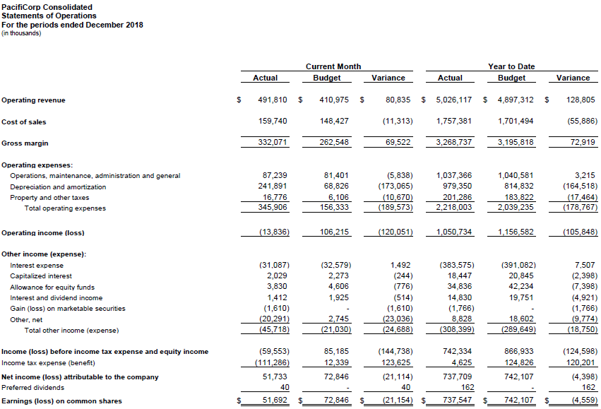
 |  | PacifiCorp Standalone | PMI * | Elimination | Mining (FRF, EW, Glenrock, Centrailia, Interwest) | PacifiCorp Consolidated | check to HFM | difference (rounding)
Company Code | Tab | 1000 | 2020 | 2025 & 2022 | 2060, 2050, 2040, 2030 & 2010 |  | ($000)
REVENUES
Revenues | AA | 5,026,117,362 | - | - | - | 5,026,117,362 | 5,026,117 | -

EXPENSES
Energy costs | BB | 1,757,380,542 | - | - | - | 1,757,380,542 | 1,757,381 | -
Operations and maintenance | BB | 1,037,362,517 | - | - | 3,788 | 1,037,366,304 | 1,037,366 | -
Depreciation and amortization | DD | 979,350,356 | - | - | - | 979,350,356 | 979,350 | -
Taxes other than income taxes | CC | 201,254,958 | 31,257 | - | - | 201,286,215 | 201,286 | -
Total |  | 3,975,348,372 | 31,257 | - | 3,788 | 3,975,383,417

Operating income |  | 1,050,768,989 | (31,257) | - | (3,788) | 1,050,733,944

Other income (expense)
Interest expense | FF | (383,634,228) | 212,944 | (143,875) | - | (383,565,159) | (383,575) | 10 | presuming this relates to 586180, Amort - Debt Premium/Gain, $(11)k
Allowance for borrowed funds | FF | 18,446,680 | - | - | - | 18,446,680 | 18,447 | -
Allowance for equity funds | HH | 34,835,895 | - | - | - | 34,835,895 | 34,836 | -
Interest income | HH | 11,452,672 | 69,069 | 143,875 | 2,666,667 | 14,332,283 | 14,830 | (498) | HFM reports div. (GL 385600) on def. comp/LTIP plans in Interest Inc.
Equity in subsidiary earnings | GG | (986,806) |  | 986,806 |  | - |  | -
Other - net | EE | 7,550,844 | - | - | - | 7,550,844 | 7,062 | 489 | HFM reports div. (GL 385600) on def. comp/LTIP plans in Interest Inc.
Total |  | (312,334,944) | 282,014 | 986,806 | 2,666,667 | (308,399,458)

Income before income taxes |  | 738,434,046 | 250,756 |  | 2,662,879 | 742,334,487
Income tax expense | CC | 725,046 | 3,900,441 |  | - | 4,625,487 | 4,625 | -
Net income attributable to PacifiCorp |  | 737,709,000 | (3,649,685) |  | 2,662,879 | 737,709,000

FERC
NET INCOME |  | 737,709,000

GAAP/FERC net income check |  | -

* Note: PMI balances exclude equity earnings in Bridger. Also, company code 2022 (Eliminations) & 2025 (Bridger) fully eliminate beginning 2012 as PMI (company 2020) records its own tax expense. No longer need to include 2022 & 2025 to capture PMI eliminations of tax with PacifiCorp (company 1000).

