RMP_(THS-1)
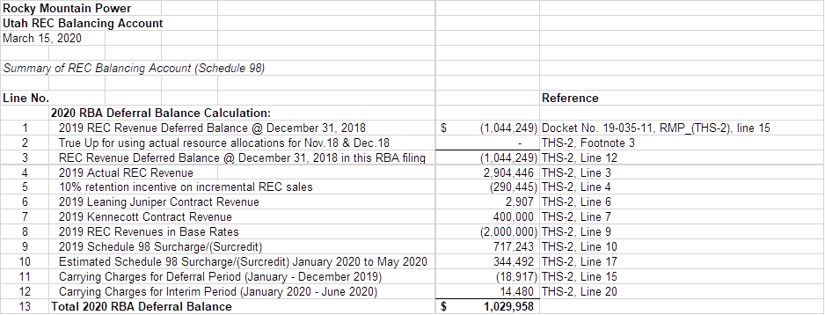

31
59
88
119
149
180
210
241
272
302
333
363

