Ex.4.3p1
 | (A) | (B) | (C) | (D) | (E) | (F) | (G) | (H) | (I) | (J) | (K) | (L)
 |  |  | Sample |  |  | Pop.
 | Capacity | Sample Size | Res. | Non-Res. | Population Size | Res. | Non-Res. | Mean Total Investment | Median | Lower 95% CI for Mean | Upper 95% CI for Mean | Std. Error of Mean
1 | 0-<400 | 396 | 231 | 165 | 769,058 | 743,050 | 26,008 | 1,099 | 882 | 1,022 | 1,177 | 39
2 | 400-<600 | 405 | 199 | 206 | 89,689 | 73,740 | 15,949 | 1,276 | 1,017 | 1,192 | 1,361 | 43
3 | 600-<900 | 182 | 90 | 92 | 6,049 | 3,502 | 2,547 | 1,737 | 1,409 | 1,590 | 1,884 | 74
4 | 900-<1400 | 284 | 118 | 166 | 17,008 | 8,937 | 8,071 | 2,187 | 1,766 | 2,033 | 2,342 | 78
5 | 1400-<2000 | 126 | 13 | 113 | 3,082 | 542 | 2,540 | 2,865 | 2,542 | 2,643 | 3,086 | 112
6 | 2000-<3000 | 365 | 41 | 324 | 3,984 | 725 | 3,259 | 3,501 | 2,873 | 3,271 | 3,732 | 117
7 | 3000-<5000 | 184 | 11 | 173 | 2,278 | 285 | 1,993 | 4,218 | 3,531 | 3,840 | 4,597 | 192
8 | 5000-<7000 | 190 | 9 | 181 | 1,552 | 140 | 1,412 | 4,910 | 4,127 | 4,573 | 5,247 | 171
9 | 7000-<11000 | 150 | 2 | 148 | 711 | 40 | 671 | 7,264 | 5,520 | 6,675 | 7,853 | 298
10 | 11000-<16000 | 156 | 7 | 149 | 573 | 29 | 544 | 7,392 | 5,649 | 6,844 | 7,939 | 277
11 | 16000-<20000 | 88 | 1 | 87 | 101 | 1 | 100 | 11,663 | 12,854 | 11,345 | 11,981 | 160
12 | 20000-<24000 | 200 | 3 | 197 | 213 | 3 | 210 | 10,972 | 11,817 | 10,823 | 11,121 | 76
13 | 24000-<30000 | 95 | 1 | 94 | 106 | 1 | 105 | 15,587 | 15,294 | 15,304 | 15,870 | 143
14 | 30000-<45000 | 88 | 1 | 87 | 106 | 1 | 105 | 17,677 | 17,254 | 17,275 | 18,080 | 202
15 | 45000-<50000 | 23 | 1 | 22 | 23 | 1 | 22 | 24,948 | 20,596 | 24,948 | 24,948 | -
16 | >=50000 | 123 | 0 | 123 | 123 | - | 123 | 66,827 | 49,816 | 66,827 | 66,827 | -
 |  | 3055 |  |  | 894656

 | Notes: Data was obtained using SAS®9.3 and proc SURVEYMEANS was used to calculate a weighted mean total investment and other summary statistics provided in the table. The Sample is broken into strata (capacity) to adjust variance estimates of the mean, because we are sampling from a finite population. In some strata entire populations were measured which means we do not have to estimate the mean. A standard error of zero indicates the entire population was measured for that strata.

Questar Gas Company
Docket No. 13-057-05
QGC Exhibit 4.3
Page 1 of 7

Ex4.3p2
24
Individual Sampled Meter
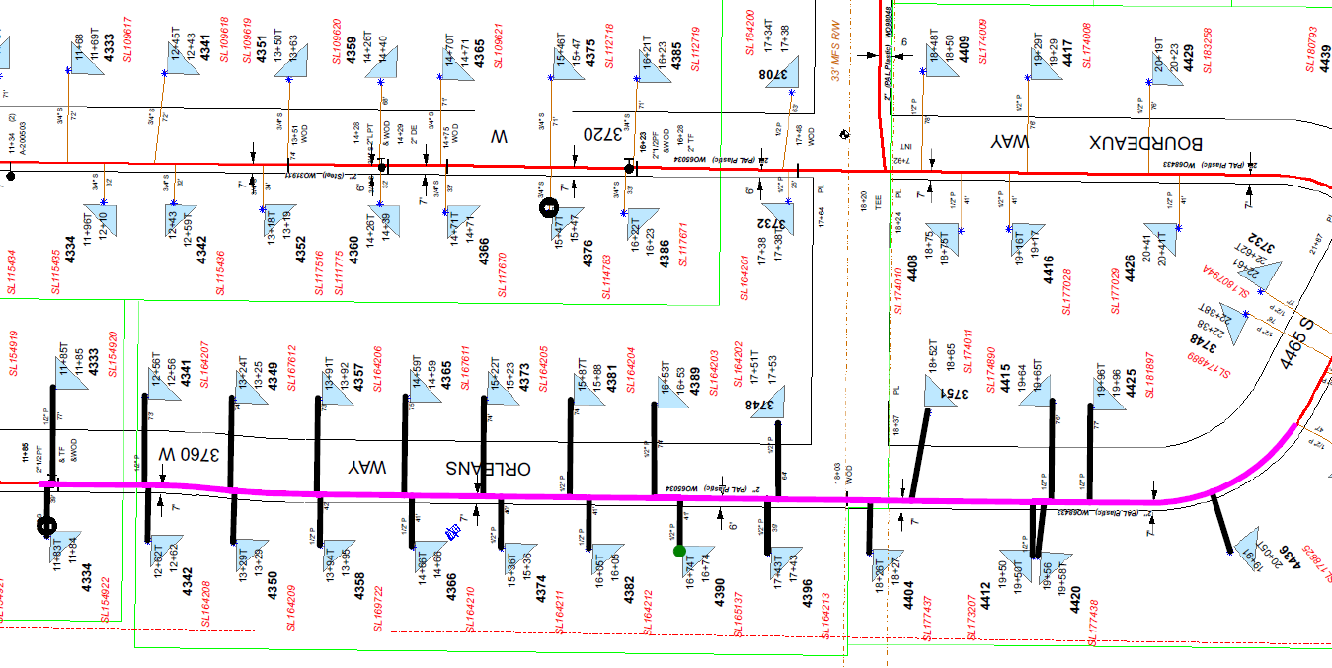
25

22
23
▲

20
21

18
19

16
17

15
14
 | 500'

12
13
 |  | Map goes here.

11
10
 |  |  | 4390 S 3760 W
 |  |  | Measurement Statistics:
 |  |  | Nominal Meter Rating: 320 CFH
 | 500' |  | Service: 41' of 1/2"
 |  |  | Main: 1000' of 2"
 |  |  | # Services: 25
9
8

7

6

5
3

4

2

▼

1

