IS Cost Comparison
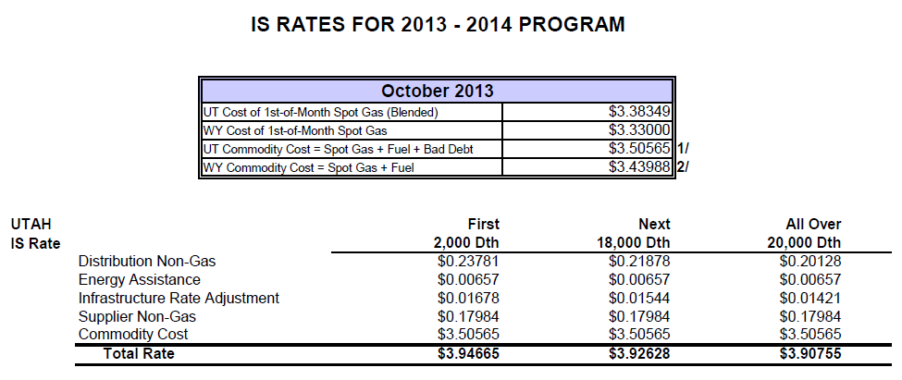
4.02 IS RATE SCHEDULE

IS VOLUMETRIC RATES COMPARISON
 | Rates Per Dth Used Each Month
 | Dth = decatherm = 10 therms = 1,000,000 Btu
 | CURRENT | PROPOSED | DIFFERENCE | CURRENT | PROPOSED | DIFFERENCE | CURRENT | PROPOSED | DIFFERENCE
 | First 2,000 Dth | First 2,000 Dth |  | Next 18,000 Dth | Next 18,000 Dth |  | 20,000 Dth + | 20,000 Dth +
Base DNG | $0.23781 | $0.56740 | $0.32959 | $0.21878 | $0.10330 | ($0.11548) | $0.20128 | $0.04150 | ($0.15978)
Energy Assistance | 0.00732 | 0.00732 | $0.00000 | 0.00732 | 0.00732 | $0.00000 | 0.00732 | 0.00732 | $0.00000
Infrastructure Rate Adjustment | 0.01339 | 0.01339 | $0.00000 | 0.01232 | 0.01232 | $0.00000 | 0.01134 | 0.01134 | $0.00000
Distribution Non-Gas Rate | $0.25852 | $0.58811 | $0.32959 | $0.23842 | $0.12294 | ($0.11548) | $0.21994 | $0.06016 | ($0.15978)

Supplier Non-Gas Rate | $0.17974 | $0.17974 | $0.00000 | $0.17974 | $0.17974 | $0.00000 | $0.17974 | $0.17974 | $0.00000

Base Gas Cost | $0.00000 | $4.86615 | $4.86615 | $0.00000 | $4.86615 | $4.86615 | $0.00000 | $4.86615 | $4.86615
191 Amortization | 0.00000 | (0.07576) | ($0.07576) | 0.00000 | (0.07576) | ($0.07576) | 0.00000 | (0.07576) | ($0.07576)
Commodity Rate | $3.66873 | $4.79039 | $1.12166 | $3.66873 | $4.79039 | $1.12166 | $3.50565 | $4.79039 | $1.28474
Total Rate | $4.10699 | $5.55824 | $1.45125 | $4.08689 | $5.09307 | $1.00618 | $3.90533 | $5.03029 | $1.12496

Current IS Rate Sheet - October 2013 |  |  |  |  |  | Proposed IS Rate Sheet
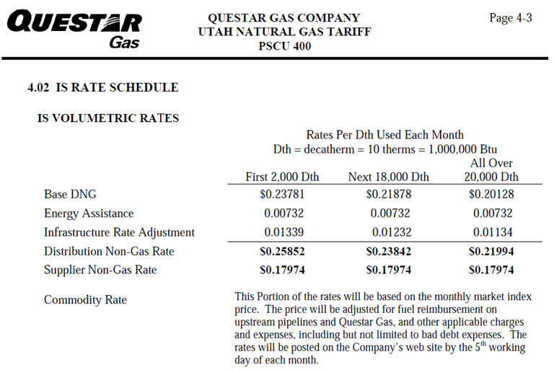
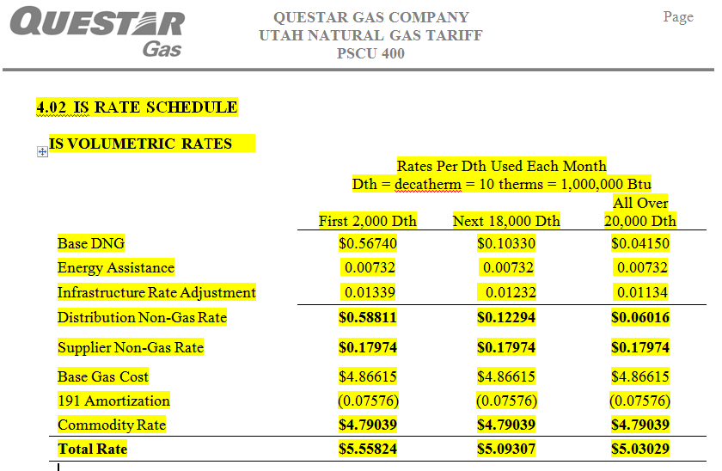

October IS Rate Sheet showing Commodity Cost

