Emissions Calculation
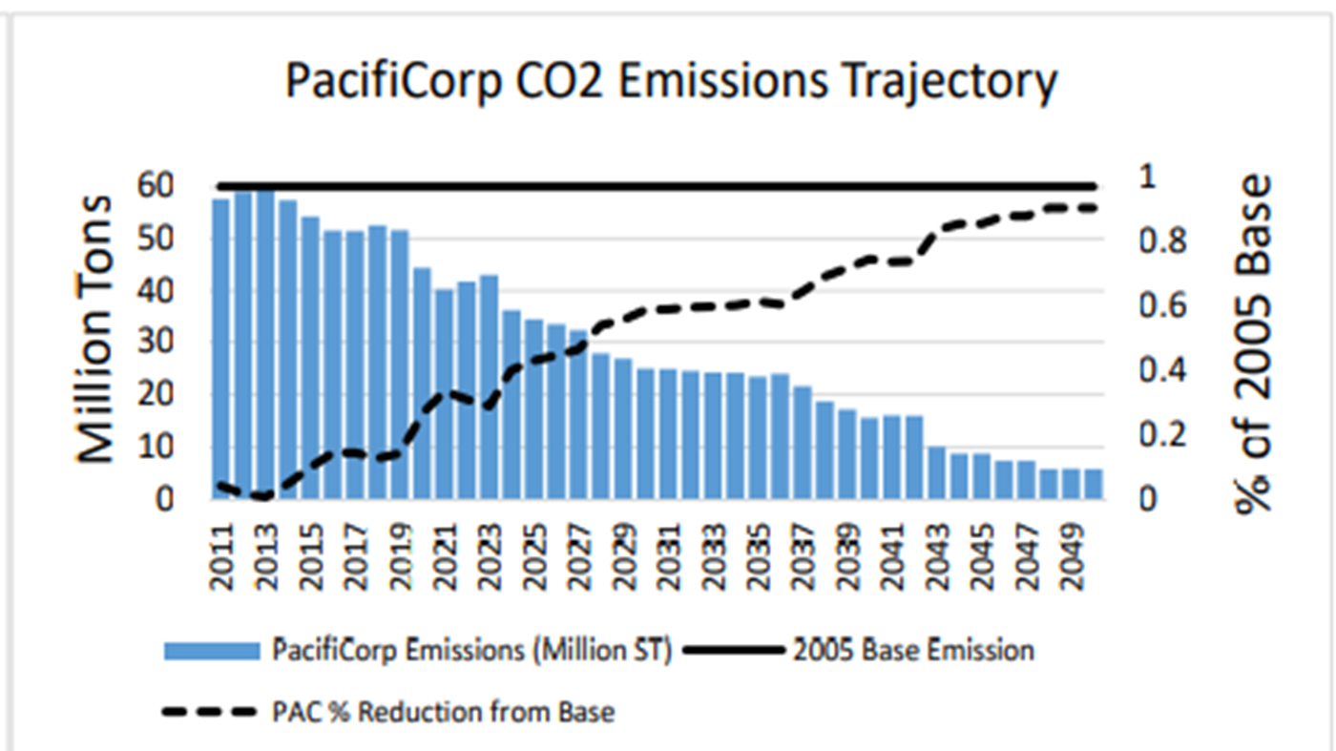
 | Emission Reduction Calculations
Year | Additional EVs (#) | CO2 Reduction Per Year (MT) | MWh used by EVs | CO2 System Emissions by EVs (MT) | Net CO2 Reduction Per Year (MT) | Net CO2 Reduction Per Year (lbs) | Figure 8.41 – 2019 IRP Preferred Portfolio PacifiCorp CO2 Emissions Trajectory
2026 | 31,000 | 142,600 | 106,950 | 46,095 | 96,505 | 212,755,861
2031 | 150,000 | 690,000 | 517,500 | 223,043 | 466,958 | 1,029,463,844

 | Annual CO2 (MT) per typical car* | 4.6
 | kwh per mile | 0.3
 | miles per year* | 11,500
 | 2026 Pac EF** (MWh/MT) | 0.431
 | 2031 PacEF** (MWh/MT) | 0.326
 | MT to lb conversion | 2204.62
 | *EPA Estimate
 | **Caluclated from Table 8.41 see Exhibit RMP_(JAC-7) for explanation of the factor

