1.4 1 & 2
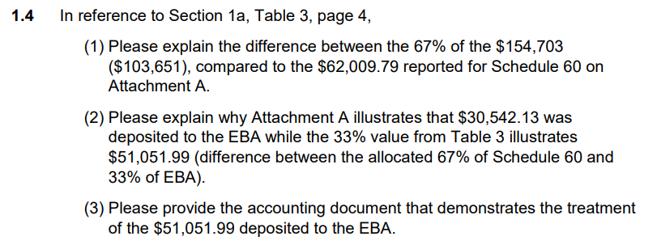
 |  | 33% | 67% | Date Received | Explanation: 1)The difference between $103,651.47 (calculated as 67% of $154,703.69) on Table 3 and the reported amount of 62,009.79 is due to the fact that Attachment A reported charging revenue that was received during 2024, while Table 3 shows charging revenue that was earned during 2024, regardless of when it was received. November and December payments were received in 2025. 2) The difference between $51,052.22 (calculated as 33% of $154,703.69) on Table 3 and the reported amount of $30,542.13 is due to the fact that the note in Attachment A reported charging revenue that was allocated to the Energy Balancing Account only for revenue received during 2024, while table 3 shows charging revenue that was earned during 2024, regardless of when it was received. November and December payments were received in 2025. Note: The payment for November and December charging was paid along with January charging activity, which was equal to $37,019.12 ($30,967.45+$31,184.31 +$37,019.12=$99,180.88).
June - August | $38,579.26 | $12,731.16 | $25,848.10 | 2024-10-25
September | $26,431.81 | $8,722.50 | $17,709.31 | 2024-11-15
October | $27,540.86 | $9,088.48 | $18,452.38 | 2024-12-06
Received 2024 | $92,551.93 | $30,542.14 | $62,009.80

November | $30,967.45 | $10,219.26 | $20,748.19 | 2025-02-28
December | $31,184.31 | $10,290.82 | $20,893.48 | 2025-02-28
Received 2025 | $62,151.76 | $20,510.08 | $41,641.68

Total | $154,703.69 | $51,052.22 | $103,651.47

