Data
 |  |  |  | 2022-06-01
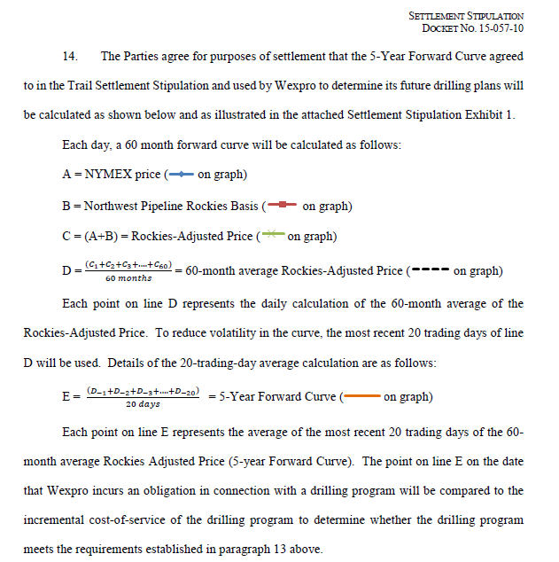
 |  | 20 day trailing |  | Date | NYMEX Futures (A) | Rockies Basis (B) | Rockies Adjusted Prices (C)
 | 5 Yr Fwd | 5 Yr Fwd | 1 | 2022-06-01 | 8.67 | -0.25 | 8.42
Current | Rx Strip Avg | Rx Strip Avg | 2 | 2022-07-01 | 8.70 | -0.20 | 8.50
2022-06-01 | 5.31 | 5.08 | 3 | 2022-08-01 | 8.69 | 0.01 | 8.70
 |  |  | 4 | 2022-09-01 | 8.64 | -0.26 | 8.39
 | NYMEX Futures (A) | Rockies Basis (B) | Rockies Adjusted Prices (C)
6/1/2022 | 8.67 | -0.25 | 8.42
7/1/2022 | 8.70 | -0.20 | 8.50
8/1/2022 | 8.69 | 0.01 | 8.70
9/1/2022 | 8.64 | -0.26 | 8.39
10/1/2022 | 8.61 | -0.32 | 8.30
11/1/2022 | 8.66 | 0.24 | 8.90
12/1/2022 | 8.73 | 0.90 | 9.63
1/1/2023 | 8.80 | 1.23 | 10.02
2/1/2023 | 8.43 | 1.21 | 9.63
3/1/2023 | 7.28 | -0.17 | 7.11
4/1/2023 | 5.36 | -0.50 | 4.87
5/1/2023 | 5.16 | -0.55 | 4.61
6/1/2023 | 5.21 | -0.52 | 4.69
7/1/2023 | 5.25 | -0.27 | 4.98
8/1/2023 | 5.23 | -0.23 | 5.00
9/1/2023 | 5.19 | -0.30 | 4.89
10/1/2023 | 5.25 | -0.43 | 4.82
11/1/2023 | 5.39 | 0.23 | 5.62
12/1/2023 | 5.64 | 0.76 | 6.40
1/1/2024 | 5.77 | 0.68 | 6.46
2/1/2024 | 5.58 | 0.61 | 6.19
3/1/2024 | 5.14 | 0.17 | 5.31
4/1/2024 | 4.39 | -0.43 | 3.96
5/1/2024 | 4.31 | -0.43 | 3.88
6/1/2024 | 4.37 | -0.43 | 3.93
7/1/2024 | 4.43 | -0.20 | 4.23
8/1/2024 | 4.44 | -0.20 | 4.24
9/1/2024 | 4.42 | -0.21 | 4.21
10/1/2024 | 4.48 | -0.35 | 4.13
11/1/2024 | 4.66 | 0.33 | 4.99
12/1/2024 | 5.02 | 0.44 | 5.46
1/1/2025 | 5.18 | 0.47 | 5.65
2/1/2025 | 5.05 | 0.46 | 5.51
3/1/2025 | 4.72 | 0.06 | 4.77
4/1/2025 | 4.07 | -0.41 | 3.66
5/1/2025 | 4.02 | -0.40 | 3.62
6/1/2025 | 4.08 | -0.41 | 3.67
7/1/2025 | 4.13 | -0.20 | 3.93
8/1/2025 | 4.16 | -0.19 | 3.96
9/1/2025 | 4.15 | -0.21 | 3.93
10/1/2025 | 4.22 | -0.34 | 3.87
11/1/2025 | 4.41 | 0.26 | 4.67
12/1/2025 | 4.78 | 0.34 | 5.12
1/1/2026 | 4.97 | 0.33 | 5.30
2/1/2026 | 4.85 | 0.33 | 5.18
3/1/2026 | 4.59 | 0.29 | 4.88
4/1/2026 | 4.12 | -0.35 | 3.77
5/1/2026 | 4.10 | -0.34 | 3.76
6/1/2026 | 4.17 | -0.35 | 3.82
7/1/2026 | 4.24 | -0.20 | 4.03
...
 |  |  | 5 | 2022-10-01 | 8.61 | -0.32 | 8.30
 |  |  | 6 | 2022-11-01 | 8.66 | 0.24 | 8.90
 |  |  | 7 | 2022-12-01 | 8.73 | 0.90 | 9.63
 |  |  | 8 | 2023-01-01 | 8.80 | 1.23 | 10.02
 |  |  | 9 | 2023-02-01 | 8.43 | 1.21 | 9.63
 |  |  | 10 | 2023-03-01 | 7.28 | -0.17 | 7.11
 |  |  | 11 | 2023-04-01 | 5.36 | -0.50 | 4.87
 |  |  | 12 | 2023-05-01 | 5.16 | -0.55 | 4.61
 |  |  | 13 | 2023-06-01 | 5.21 | -0.52 | 4.69
 |  |  | 14 | 2023-07-01 | 5.25 | -0.27 | 4.98
 |  |  | 15 | 2023-08-01 | 5.23 | -0.23 | 5.00
 |  |  | 16 | 2023-09-01 | 5.19 | -0.30 | 4.89
 |  |  | 17 | 2023-10-01 | 5.25 | -0.43 | 4.82
 |  |  | 18 | 2023-11-01 | 5.39 | 0.23 | 5.62
 |  |  | 19 | 2023-12-01 | 5.64 | 0.76 | 6.40
 |  |  | 20 | 2024-01-01 | 5.77 | 0.68 | 6.46
 |  |  | 21 | 2024-02-01 | 5.58 | 0.61 | 6.19
 |  |  | 22 | 2024-03-01 | 5.14 | 0.17 | 5.31
 | 60 Month Average of Rockies Adjusted Price (D) | 5-Year Forward Curve (E)
5/3/2021 | 2.755
5/4/2021 | 2.765
5/5/2021 | 2.770
5/6/2021 | 2.777
5/7/2021 | 2.788
5/10/2021 | 2.792
5/11/2021 | 2.801
5/12/2021 | 2.801
5/13/2021 | 2.799
5/14/2021 | 2.802
5/17/2021 | 2.834
5/18/2021 | 2.817
5/19/2021 | 2.813
5/20/2021 | 2.809
5/21/2021 | 2.812
5/24/2021 | 2.807
5/25/2021 | 2.803
5/26/2021 | 2.806
5/27/2021 | 2.766
5/28/2021 | 2.783 | 2.795
6/1/2021 | 2.806 | 2.798
6/2/2021 | 2.811 | 2.800
6/3/2021 | 2.816 | 2.802
6/4/2021 | 2.860 | 2.806
6/7/2021 | 2.849 | 2.809
6/8/2021 | 2.849 | 2.812
6/9/2021 | 2.859 | 2.815
6/10/2021 | 2.856 | 2.818
6/11/2021 | 2.890 | 2.823
6/14/2021 | 2.901 | 2.828
6/15/2021 | 2.856 | 2.829
6/16/2021 | 2.873 | 2.831
6/17/2021 | 2.877 | 2.835
6/18/2021 | 2.863 | 2.837
6/21/2021 | 2.871 | 2.840
6/22/2021 | 2.892 | 2.844
6/23/2021 | 2.891 | 2.849
6/24/2021 | 2.898 | 2.853
6/25/2021 | 2.904 | 2.860
6/28/2021 | 2.928 | 2.868
6/29/2021 | 2.950 | 2.875
6/30/2021 | 2.940 | 2.881
7/1/2021 | 2.864 | 2.884
7/2/2021 | 2.871 | 2.884
7/6/2021 | 2.866 | 2.885
7/7/2021 | 2.865 | 2.886
7/8/2021 | 2.882 | 2.887
7/9/2021 | 2.889 | 2.889
7/12/2021 | 2.908 | 2.890
7/13/2021 | 2.899 | 2.889
...
 |  |  | 23 | 2024-04-01 | 4.39 | -0.43 | 3.96
 |  |  | 24 | 2024-05-01 | 4.31 | -0.43 | 3.88
 |  |  | 25 | 2024-06-01 | 4.37 | -0.43 | 3.93
 |  |  | 26 | 2024-07-01 | 4.43 | -0.20 | 4.23
 |  |  | 27 | 2024-08-01 | 4.44 | -0.20 | 4.24
 |  |  | 28 | 2024-09-01 | 4.42 | -0.21 | 4.21
 |  |  | 29 | 2024-10-01 | 4.48 | -0.35 | 4.13
 |  |  | 30 | 2024-11-01 | 4.66 | 0.33 | 4.99
 |  |  | 31 | 2024-12-01 | 5.02 | 0.44 | 5.46
 |  |  | 32 | 2025-01-01 | 5.18 | 0.47 | 5.65
 |  |  | 33 | 2025-02-01 | 5.05 | 0.46 | 5.51
 |  |  | 34 | 2025-03-01 | 4.72 | 0.06 | 4.77
 |  |  | 35 | 2025-04-01 | 4.07 | -0.41 | 3.66
 |  |  | 36 | 2025-05-01 | 4.02 | -0.40 | 3.62
 |  |  | 37 | 2025-06-01 | 4.08 | -0.41 | 3.67
 |  |  | 38 | 2025-07-01 | 4.13 | -0.20 | 3.93
 |  |  | 39 | 2025-08-01 | 4.16 | -0.19 | 3.96
 |  |  | 40 | 2025-09-01 | 4.15 | -0.21 | 3.93
...

